Sheet1
 | The Unusual Shape-Solution

Part 1 | Stuart fixed the rope at 5-feet from west at the bottom length of the shed.

Part 2 | To work it out, we need to simplify or break up the region
 | This can be done by separating the area in to fractions of a circle
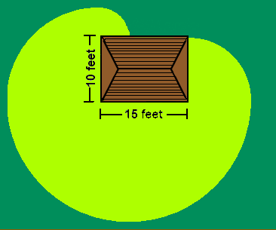
Circle 4

Circle 3
Circle 2

Circle 1

 | To work out the area of the eaten region, we need to add all the circle's areas together.

 | C1 | Since the rope is 20 foot long, the radius is also 20 foot long.

 |  | A=∏r2

 |  | 400x∏
 |  | 2

 | Total Area | 628 | foot2

 | C2 | Because the goat has only 10 foot of rope left after going along the bottom edge of the shed the radius of the circle is 10 foot

 |  | A=∏r2

 |  | 100x∏
 |  | 4

 | Total Area | 78.5 | foot2

 | C3 | The Radius is 15 foot because the goat has only used 5 feet of its rope.

 |  | A=∏r2

 |  | 225x∏
 |  | 4

 | Total Area | 176.6 | foot2

 | C4 | At the top-left corner of the shed, the goat has only 5 foot of rope to spare hence the radius is 5 foot

 |  | A=∏r2

 |  | 25x∏
 |  | 5

 | Total Area | 19.6 | foot2

 | The unusual shape | 902.8 | foot2

 | Ans. | The region of grass eaten by the goat is ≈ 903 (902.8) foot2

Part 3 | Yes. The goat could have got more grass if it was tied to another place.

 | Location 1
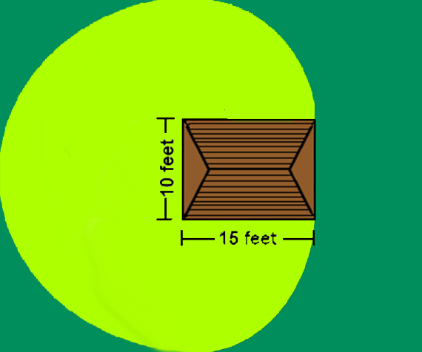

Circle 2

Circle 1

Circle 3

 | Area

 | C1 | Since the rope is 20 foot long, the radius is also 20 foot long.

 |  | A=∏r2

 |  | 400x∏
 |  | 2

 | Total Area | 628 | foot2

 | C2 | Because the goat has only 5 foot of rope left after going along the top left of the shed the radius of the circle is 15 foot

 |  | A=∏r2

 |  | 225x∏
 |  | 4

 | Total Area | 176.6 | foot2 | 981.2

 | C3 | Same as C2

 |  | A=∏r2

 |  | 225x∏
 |  | 4

 | Total Area | 176.6 | foot2

 | Region's Area | The region of grass eaten by the goat is ≈ 981 (981.2) foot2

 | Location 2
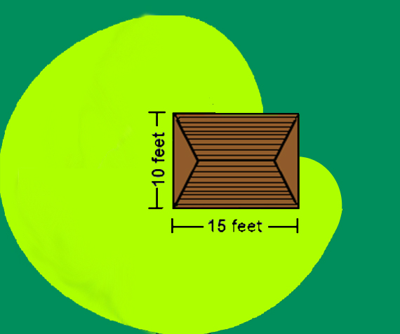

Circle 2

Circle 3

Circle 1

 | Area

 | C1 | Since the rope is 20 foot long, the radius is also 20 foot long.

 |  | A=∏r2

 |  | 3(400x∏)
 |  | 2

 | Total Area | 942 | foot2

 | C2 | Because the goat has used 10 foot along the left edge of the shed, the radius of the circle is 10 foot

 |  | A=∏r2

 |  | 100x∏
 |  | 4

 | Total Area | 78.5 | foot2

 | C3 | The Radius is 5 feet because the goat has used 15 feet.

 |  | A=∏r2

 |  | 25x∏
 |  | 4

 | Total Area | 19.6 | foot2

 | Region's Area | The region of grass eaten by the goat is ≈ 1040 (1040.1) foot2

Note: The letters represent the portion's area
Part 4 | To prove that one area is the biggest you need to work out an equation---

D
Shed
 | x is the distance (along the x-axis) in feet from the bottom left hand corner of the shed.
 | 0≤x≤15
 | When x≠0
B
C
 | 2(A)+(B)+(C)+(D)
 | 4

A
 | (800∏)+(x2∏-40x∏+400∏)+(x2∏-20x∏+100∏)+(x2∏+10x∏+25∏)
 | 4

 | ∏(3x2-50x+1325)
 | 4

 | Using this formula we get 902.8 foot2 when the rope is tied 5 feet from the bottom left corner as shown in the first part of the question

 | When we substitute x=1, we get a value of 1003.2 foot2 as below---

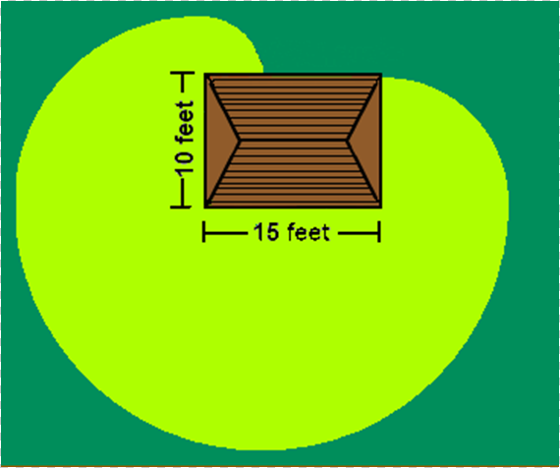
C4

C2
C3

C1

 | Area

 | C1 | Since the rope is 20 foot long, the radius is also 20 foot long.

 |  | A=∏r2

 |  | (400x∏)
 |  | 2

 | Total Area | 628 | foot2

 | C2 | Because the goat has used 1 foot, the radius of the circle is 19 foot

 |  | A=∏r2

 |  | 361x∏
 |  | 4

 | Total Area | 283.4 | foot2

 | C3 | Because the goat has used 14 feet, the radius of the circle is 6 foot

 |  | A=∏r2

 |  | 36x∏
 |  | 4

 | Total Area | 28.3 | foot2

 | C4 | The Radius is 9 feet because the goat has used 11 feet.

 |  | A=∏r2

 |  | 81x∏
 |  | 4

 | Total Area | 63.6 | foot2

 |  | The region of grass eaten by the goat is ≈ 1003 (1003.2) foot2

 | When the rope is tied to a corner, or x=0, we get 1040.1 foot2

 | I think that it is better to tie at the corner to get more area, because you get 3/4 of a big, 20 foot radius circle instead of 1/2 of a 20 foot radius circle and a smaller circle. Along with the equation I created, I think that tying the rope at a corner of the shed is the best place in order to get a lot of space for the goat to get access to more grass.

